NW(f->o)
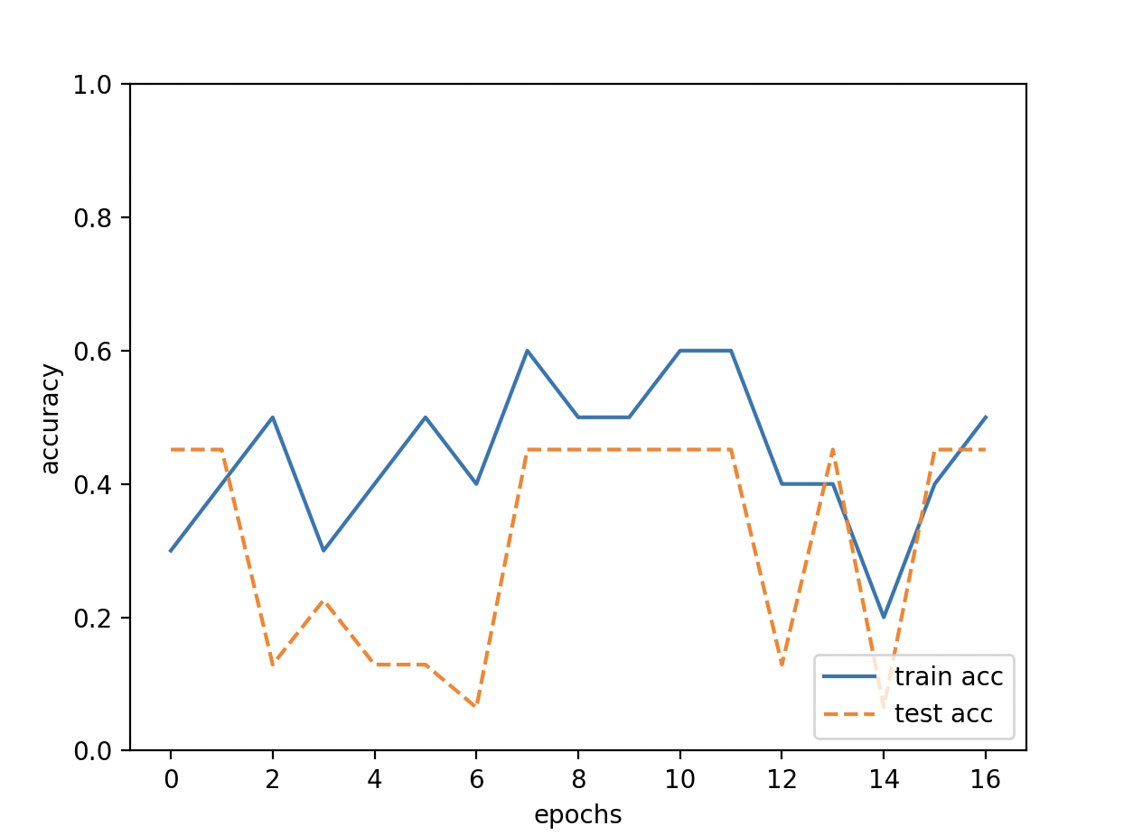
 |  | result
color | gray
input | 72*96
iteration | 500
hidden_seize | 100
output | 9

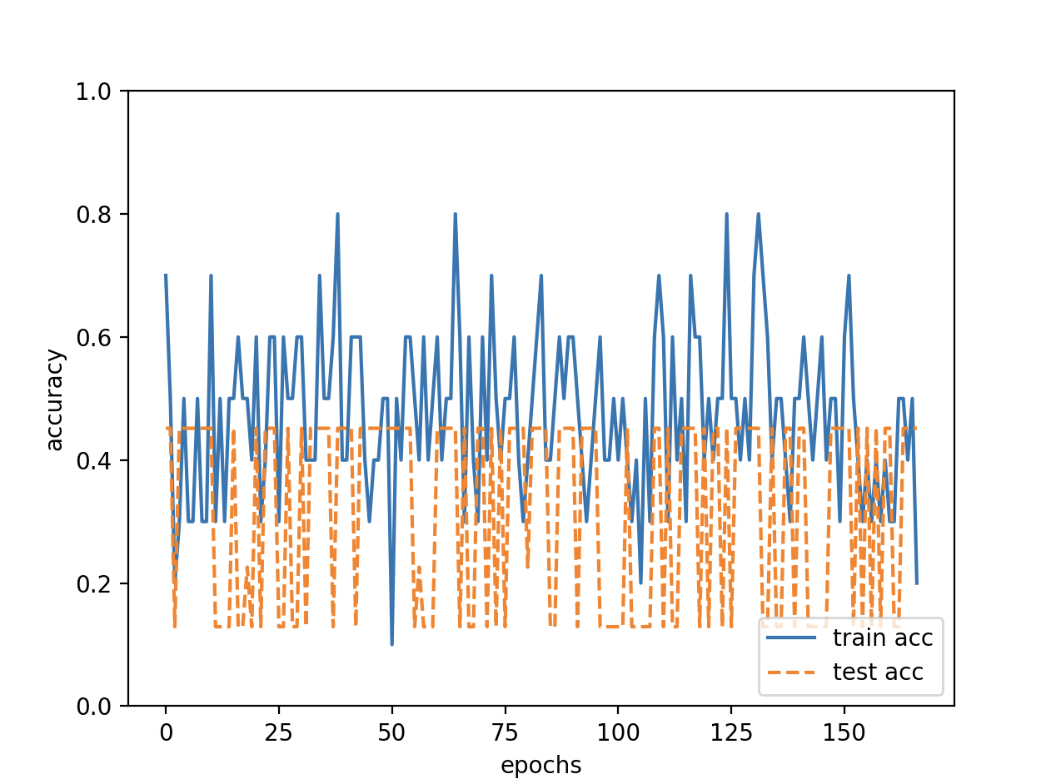
color | gray
input | 72*96
iteration | 5000
hidden_seize | 50
output | 9

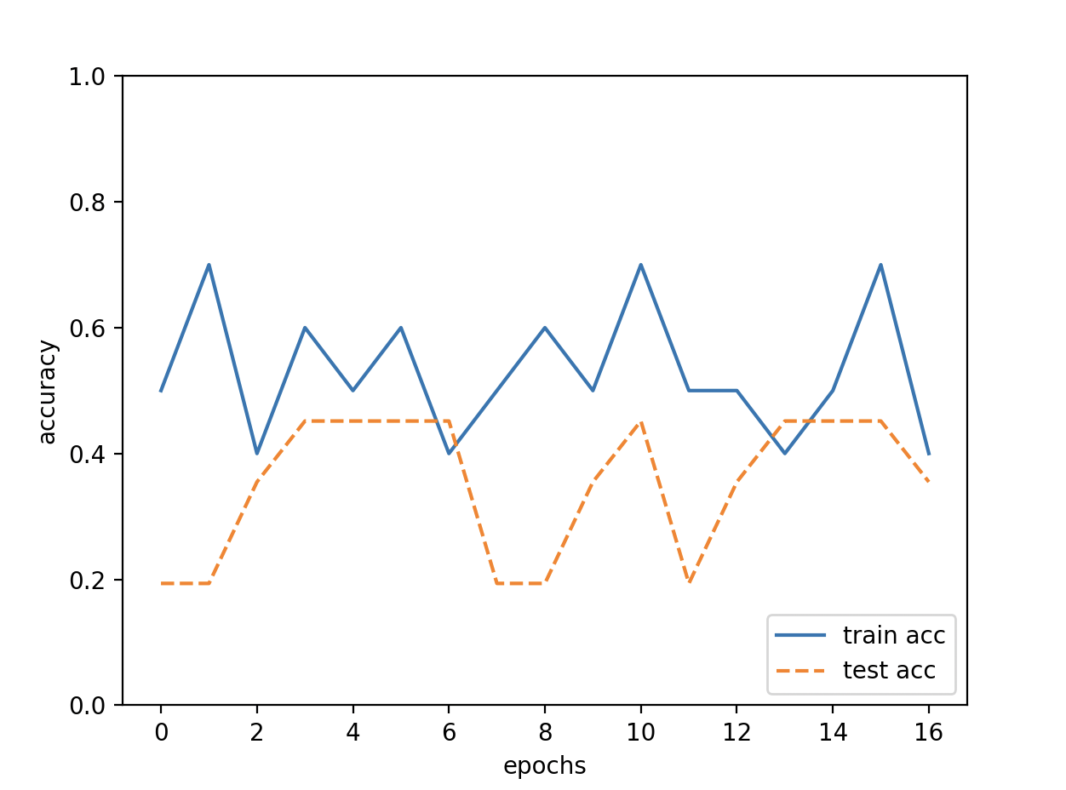
color | gray
input | 72*96
iteration | 500
hidden_seize | 100
output | 3(cloud)

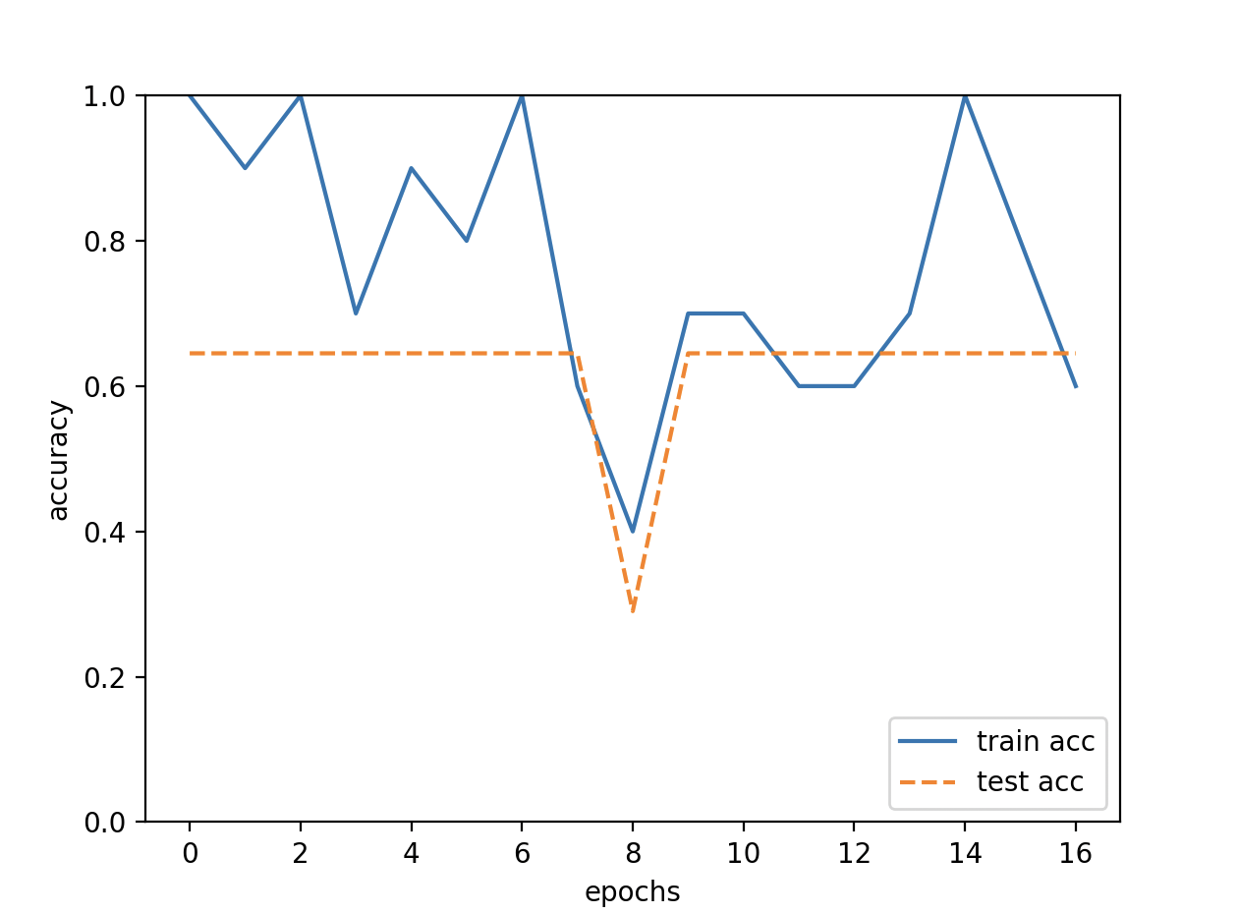
color | gray
input | 72*96
iteration | 500
hidden_seize | 100
output | 3(rain)

color | gray
input | 72*96
iteration | 5000
hidden_seize | 100
output | 3(rain)

NW(g->g)
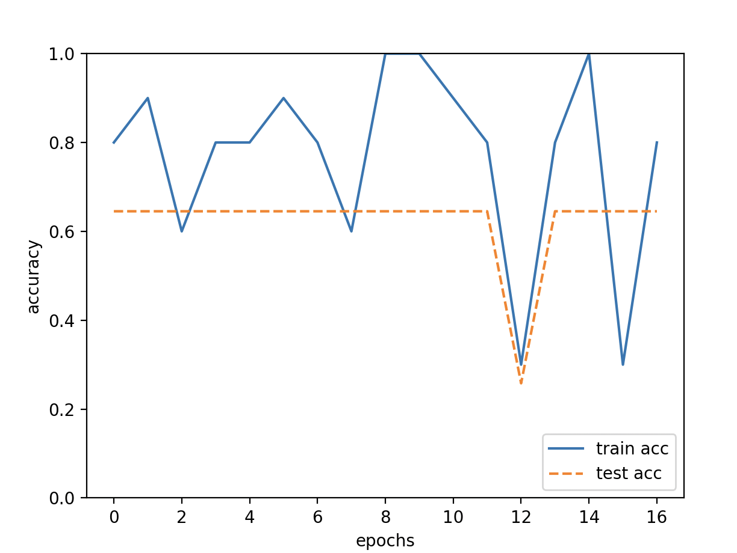
 |  | result
color | gray
input | 72*96
iteration | 500
hidden_seize | 100
output | 3(rain)

